BuyDown 2-1
 |  | Enter Terms Here
Loan Amount |  | $372,847 | ⬅️
Interest Rate (Annual) |  | 6.625% | ⬅️
Loan period in years |  | 30 | ⬅️
Number of payments per year |  | 12
Monthly Payment |  | $2,387.38
Total Payments |  | 360

2-1 BUY DOWN
Temp Interest Rate | Actual P&I | Buydown P&I | Monthly Subsidy | # of Payments | Annual Subsidy Payments
4.625% | $2,387.38 | $1,916.95 | $470.43 | 12 | $5,645.12
5.625% | $2,387.38 | $2,146.32 | $241.06 | 12 | $2,892.75
Seller cost (paid at closing) ➡️ |  |  |  |  | $8,537.87

Buyer's Monthly Payment Savings
1st Year | 2nd Year | Total Payment Savings
$470.43 | $241.06 | $8,537.87

1-0 BUY DOWN
Temp Interest Rate | Actual P&I | Buydown P&I | Monthly Subsidy | # of Payments | Annual Subsidy Payments
5.625% | $2,387.38 | $2,146.32 | $241.06 | 12 | $2,892.75
Seller cost (paid at closing) ➡️ |  |  |  |  | $2,892.75

Buyer's Monthly Payment Savings
1st Year | Total Payment Savings
$241.06 | $2,892.75

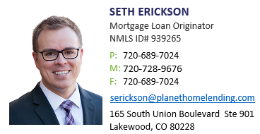

Eligible Programs
Fannie Mae Conforming and High Balance
Fannie Mae Home Ready
Freddie Mac Home Possible & Home One (Manufactured Homes not allowed)
Freddie Mac Conforming and Super Conforming
FHA Conforming and High Balance
VA Full Doc (including Jumbo) |  |  |  |  | Need help? serickson@planethomelending.com

Ineligible Transactions
Adjustable-Rate Mortgages (ARMs)
All Refinances
Investment Properties
USDA Loans
Any Renovation/Construction Loans including Energy Programs
Jumbo or Non-QM Loans
Bond Loans
Bridge Loans

